Cocoa_Dataset
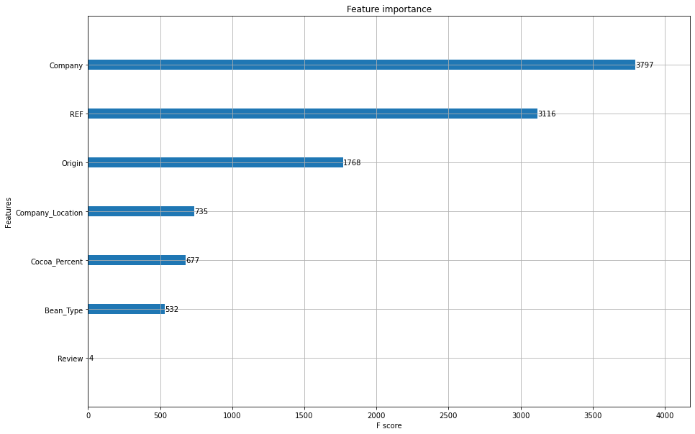
Columns | Type | Missing | Tranformation
Company | object | 0 | Yes
Name | object | 0 | Dropped
REF | float | 0
Review | float | 0 | Yes
Cocoa_Percent | float | 0
Company_Location | object | 0 | Yes
Rating | float | 0 | Yes
Bean_Type | object | 1 | Yes
Origin | object | 1 | Yes

As per the requirement, we have found the important features of the dataset

Model Name | Accuracy |  | With XG boost we can classify the values with 95% accuracy
XG boost | 0.9536

